테이블 합치기 - 실습
실습용 SQL - https://github.com/egoing/sql-join , JOIN의 종류 - https://sql-joins.leopard.in.ua/
topic |  |  |  |  | author |  |  |  |  | profile
tid | title | description | author_id |  | aid | name | city | profile_id |  | pid | title | description
1 | HTML | HTML is … | 1 |  | 1 | egoing | seoul | 1 |  | 1 | developer | developer is …
2 | CSS | CSS is … | 2 |  | 2 | leezche | jeju | 2 |  | 2 | designer | designer is …
3 | Database | Database is .. | 1 |  | 3 | blackdew | namhae | 3 |  | 3 | DBA | DBA is ..
4 | Oracle | Oracle is … | NULL

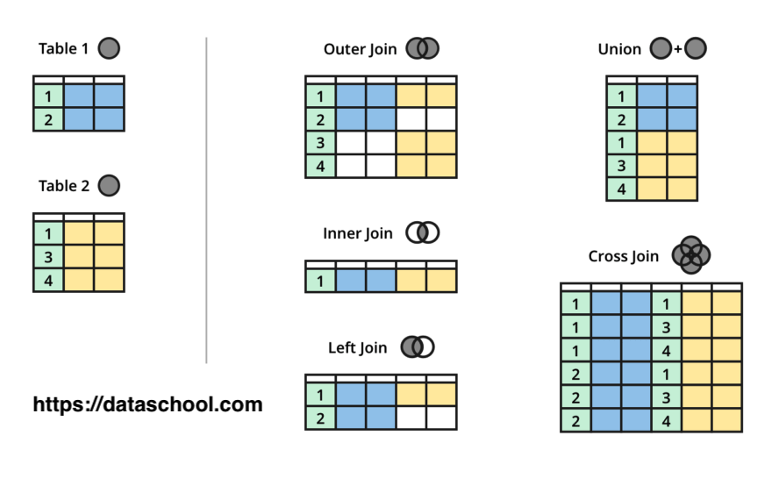
LEFT OUTER JOIN
SELECT * FROM topic
SELECT * FROM topic
tid | title | description | author_id
1 | HTML | HTML is … | 1
2 | CSS | CSS is … | 2
3 | Database | Database is .. | 1
4 | Oracle | Oracle is … | NULL

SELECT * FROM topic LEFT JOIN author ON topic.author_id = author.aid
SELECT * FROM topic LEFT JOIN author ON topic.author_id = author.aid
tid | title | description | author_id | aid | name | city | profile_id
1 | HTML | HTML is … | 1 | 1 | egoing | seoul | 1
2 | CSS | CSS is … | 2 | 2 | leezche | jeju | 2
3 | Database | Database is .. | 1 | 3 | blackdew | namhae | 3
4 | Oracle | Oracle is … | NULL | NULL | NULL | NULL | NULL

SELECT * FROM topic LEFT JOIN author ON topic.author_id = author.aid LEFT JOIN profile ON author.profile_id = profile.pid;
SELECT * FROM topic LEFT JOIN author ON topic.author_id = author.aid LEFT JOIN profile ON author.profile_id = profile.pid;
tid | title | description | author_id | aid | name | city | profile_id | pid | title | description
1 | HTML | HTML is … | 1 | 1 | egoing | seoul | 1 | 1 | developer | developer is …
2 | CSS | CSS is … | 2 | 2 | leezche | jeju | 2 | 2 | designer | designer is … |  |  | profile.title AS job_title
3 | Database | Database is .. | 1 | 3 | blackdew | namhae | 3 | 3 | DBA | DBA is ..
4 | Oracle | Oracle is … | NULL | NULL | NULL | NULL | NULL | NULL | NULL | NULL

SELECT tid, topic.title, author_id, name, profile.title AS job_title FROM topic LEFT JOIN author ON topic.author_id = author.aid LEFT JOIN profile ON author.profile_id = profile.pid;
SELECT tid, topic.title, author_id, name, profile.title AS job_title FROM topic LEFT JOIN author ON topic.author_id = author.aid LEFT JOIN profile ON author.profile_id = profile.pid;
tid | title | author_id | name | job_title
1 | HTML | 1 | egoing | developer
2 | CSS | 2 | leezche | designer
3 | Database | 1 | egoing | developer
4 | Oracle | 3 | NULL | NULL

SELECT tid, topic.title, author_id, name, profile.title AS job_title FROM topic LEFT JOIN author ON topic.author_id = author.aid LEFT JOIN profile ON author.profile_id = profile.pid WHERE aid = 1;
SELECT tid, topic.title, author_id, name, profile.title AS job_title FROM topic LEFT JOIN author ON topic.author_id = author.aid LEFT JOIN profile ON author.profile_id = profile.pid WHERE aid = 1;
tid | title | author_id | name | job_title
1 | HTML | 1 | egoing | developer
3 | Database | 1 | egoing | developer
INNER JOIN
SELECT * FROM topic INNER JOIN author ON topic.author_id = author.aid
SELECT * FROM topic INNER JOIN author ON topic.author_id = author.aid
tid | title | description | author_id | aid | name | city | profile_id
1 | HTML | HTML is … | 1 | 1 | egoing | seoul | 1
2 | CSS | CSS is … | 2 | 2 | leezche | jeju | 2
3 | Database | Database is .. | 1 | 1 | egoing | seoul | 1

SELECT * FROM topic INNER JOIN author ON topic.author_id = author.aid INNER JOIN profile ON profile.pid = author.profile_id
SELECT * FROM topic INNER JOIN author ON topic.author_id = author.aid INNER JOIN profile ON profile.pid = author.profile_id
tid | title | description | author_id | aid | name | city | profile_id | pid | title | description
1 | HTML | HTML is … | 1 | 1 | egoing | seoul | 1 | 1 | developer | developer is …
2 | CSS | CSS is … | 2 | 2 | leezche | jeju | 2 | 2 | designer | designer is …
3 | Database | Database is .. | 1 | 1 | egoing | seoul | 1 | 1 | developer | developer is …
FULL OUTER JOIN
SELECT * FROM topic FULL OUTER JOIN author ON topic.author_id = author.id
(SELECT * FROM topic LEFT JOIN author ON topic.author_id = author.aid) UNION (SELECT * FROM topic RIGHT JOIN author ON topic.author_id = author.aid)
tid | title | description | author_id | aid | name | city | profile_id
1 | HTML | HTML is … | 1 | 1 | egoing | seoul | 1
2 | CSS | CSS is … | 2 | 2 | leezche | jeju | 2
3 | Database | Database is .. | 1 | 1 | egoing | seoul | 1
4 | Oracle | Oracle is … | NULL | NULL | NULL | NULL | NULL
NULL | NULL | NULL | NULL | 3 | blackdew | namhae | 3

EXCLUSIVE LEFT JOIN
SELECT * FROM topic LEFT JOIN author ON topic.author_id = author.aid WHERE author.aid is NULL
SELECT * FROM topic LEFT JOIN author ON topic.author_id = author.aid WHERE author.aid is NULL
tid | title | description | author_id | aid | name | city | profile_id
4 | Oracle | Oracle is … | NULL | NULL | NULL | NULL | NULL

